Read Me
This is just one option you can choose to track Scout sales. You are not required to use any specific document. Feel free to use only the tabs that work for you. Please reach out if you have any questions (or if the numbers don’t add up.)

All columns or rows with a light-yellow header are meant for you to edit.

Any column or row with a grey header will auto-populate. Any cell not intended for you to edit has been locked. (You can change the color of the cell and/or font.)

IMPORTANT: In order for the auto population to work across the entire document, you must use the exact same name of the Scout (and Den/Patrol names) as listed on the Roster tab.

Please note: fields with "greyed out" text will automatically change to black font once information with a vowel and/or number has been added to the light-yellow fields. If your information does not contain a vowel or number you will need to change the font color yourself.

This document is set up for 75 Scouts. Please reach out if you have more Scouts selling.

TAB
Roster | - | Enter each Scout along with their Den/Patrol. Edit cell B2 with the Scout grouping within your Unit (Den or Patrol)

Unit Summary | - | Enter your list of dens/patrols. The remaining information will auto populate.

Sales Details | - | Record a Scout’s sales each date they sell. Include the date, location or shift, and any notes you need. Every date and/or shift is its own row. Edit cell D2.

Totals_Cub | - | Will automatically populate based on the Sales Details tab. You can edit the percentage in cell L1 (this is any additional commission your Unit may earn). Scout sales are flagged for increments of $600 to remind you to submit the Scout for the $600 Club weekly drawings.

Totals_Scouts BSA | - | Will automatically populate based on the Sales Details tab. You can edit the percentage in cell L1 (this is any additional commission your Unit may earn) and cell N1. The percentage in cells N1 and O1 are determined by your Unit. Scout sales are flagged for increments of $600 to remind you to submit the Scout for the $600 Club weekly drawings.

Inventory Summary | - | Add the number of containers you have checked out from Council. Enter the number of SOLD containers. The number and value of unsold containers will auto populate. **Row 28 indicates the percent of your sale by product. The top seller highlighted in green and the lowest sales highlighted in orange. **Row 32 can be used to submit your Unit's voluntary Weekly Inventory report to Council.

on hand | - | Record the number of cases and/or containers for each flavor. This tab is strictly to help you reconcile your inventory as the sale progresses.

Check Out | - | When a Scout checks out or returns product log that on this tab. When returning product, indicate the product with a negative. *If you need more rows, unhide them at the bottom.

Payments | - | Enter the payment date and payment amount (and value for credit card sales) for up to 12 payments. The amount the Scout owes your Unit will automatically be updated based on the value of the popcorn they have checked out and the payments they have turned in.

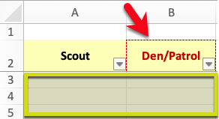
Roster

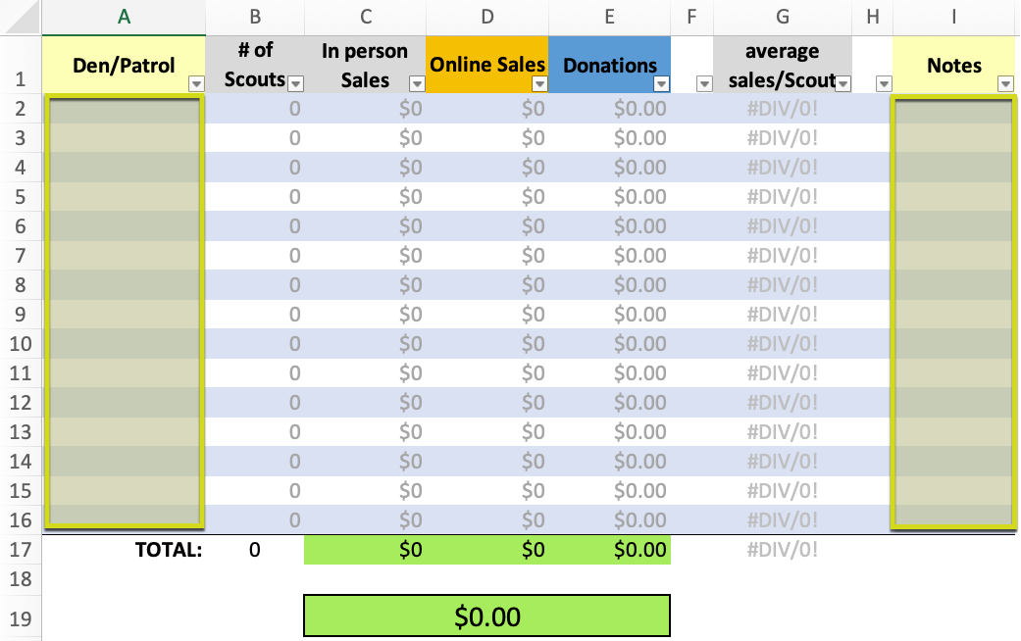
Unit Summary

Sales Details

Totals_Cub

Totals_Scouts BSA

Inventory Summary
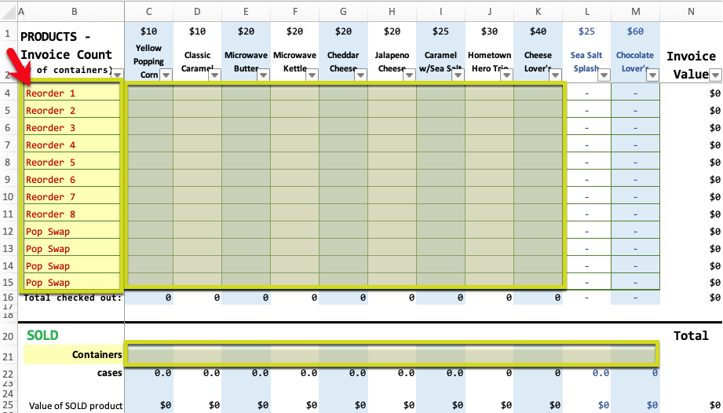

on hand

Check Out

Payments

Contact

Andrea Franklin
Volunteer Council Kernel

councilpopcornkernel@gmail.com

popcorn@alamoareabsa.org

$600 Club weekly drawing | https://www.alamoareabsa.org/resources/popcorn/600club/
2021 Weekly Inventory Report | https://form.jotform.com/211925217336049
Pop Swap | https://form.jotform.com/211675518990061

